1
No. | Brand | images | Product name | Volume |  | Prices | retail price | Current inventory | Expiration date | MOQ/Lead Time | order
 |  |  |  | capacity | description |  |  | ready to ship |  |  | quantity
1 | JAS | 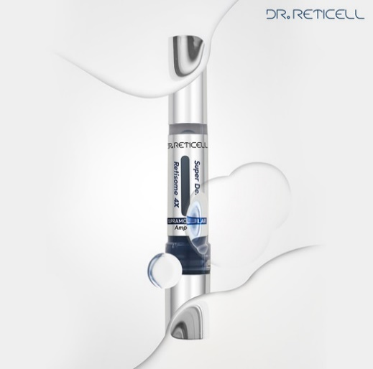 | JAS DR.reticell super derma retisome 4X Ampoule (1ea) | 8.5ml | supramolecular,high purity, hypoallergenic retinol Daily ampoule improvement of spots wrinkle improvement Moisturizing improvement | US$3.40 | 6500 (us$6.5) | 3,000 | 2027-08-25 | 10,000ea / 6weeks
2 | JAS | 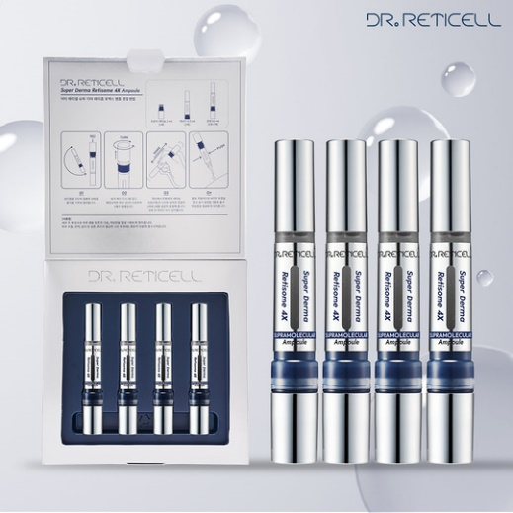 | JAS DR.reticell super derma retisome 4X Ampoule (4ea) | 8.5ml*4 | supramolecular,high purity, hypoallergenic retinol Daily ampoule improvement of spots wrinkle improvement Moisturizing improvement | US$11.30 | 78000 (US$80) | 8,269 | 2027-08-25 | 10,000ea / 6weeks
3 | JAS | 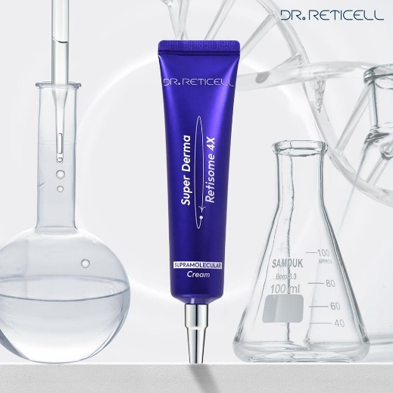 | JAS DR.reticell super derma retisome 4X cream | 30ml | supramolecular,high purity, hypoallergenic retinol improvement of spots wrinkle improvement Moisturizing improvement | US$3.40 | 100000 (US$100) | 8,596 | 2027-09-11 | 10,000ea / 6weeks
4 | JAS | 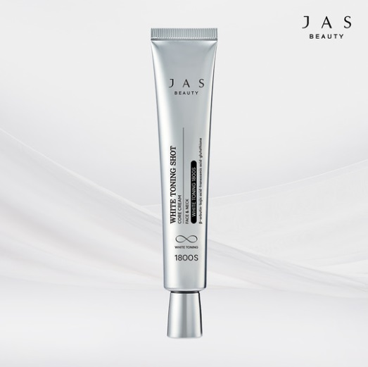 | JAS white toning shot core cream | 40ml | improvement of spots Whitening wrinkle improvement Take care of skin pores exfoliation care | US$4.10 | 54000 (US$50) | 6,487 | 2027-02-07 | 10,000ea / 6weeks
5 | ARTDELI | 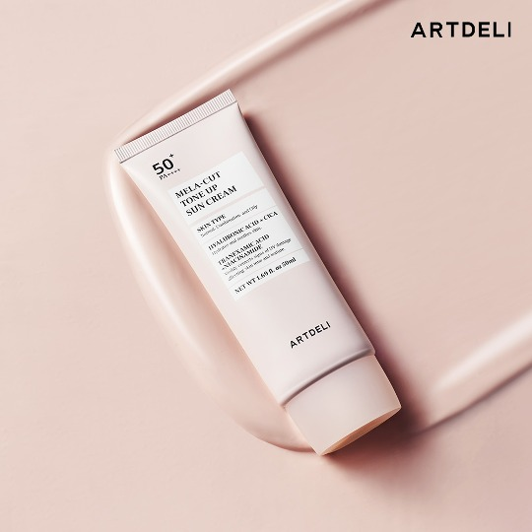 | ARTDELI mela cut tone up sun cream | 50ml | Whitening, wrinkle improvement, UV protection Completion of hypoallergenic test of skin and eyeball | US$4.10 | 30000 (US$30) | 44,453 | 2027-06-25 | 10,000ea / 8weeks
6 | ARTDELI |  | ARTDELI CERAMIC GLOW COVER CUSHION | 13g | Whitening, wrinkle improvement, UV protection | US$8.50 | 55000 (US$55) | #21 - 10,336 #23호 - 2,195 | 2027-03-11 | 5,000ea / 8weeks
7 | ARTDELI | 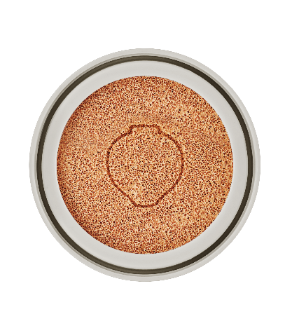 | ARTDELI CERAMIC GLOW COVER CUSHION REFILL | 13g | Whitening, wrinkle improvement, UV protection | US$4.10 | 30000 (US$30) | #21 - 21,003 #23 - 6,608 | 2027-03-11 | 5,000ea / 8weeks
8 | 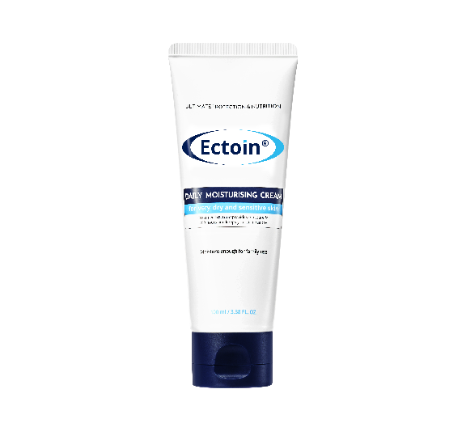 JAS |  | JAS Ectoin Daily moisturizing Cream | 100ml | Sensitive Skin Stimulation Test Completed Moisturizing effect | US$3.40 | 6500 (US$7.00) | 27,110 | 2026-09-19 | 10,000ea / 6weeks
9 | JAS |  | JAS Ectoin Daily moisturizing Cream | 500ml | Sensitive Skin Stimulation Test Completed Moisturizing effect | US$6.30 | 12900 (US$12) | 8,967 | 2026-09-19 | 10,000ea / 6weeks
10 | JAS | 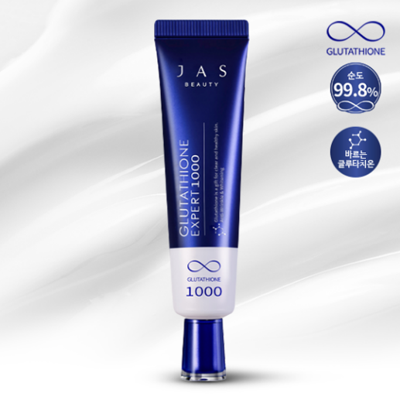 | JAS GLUTATHIONE EXPERT 1000 30ml | 30ml | Whitening, wrinkle care, improvement of blemishes, moisturizing | US$3.40 | 48000 (US$48) | 3,304 | 2027-08-15 | 10,000ea / 7weeks
11 | JAS | 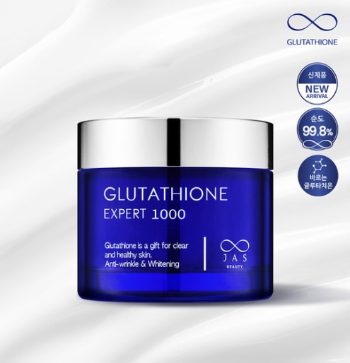 | JAS GLUTATHIONE EXPERT 1000 60ml | 60ml | Whitening, wrinkle care, improvement of blemishes, moisturizing | US$7.00 | 75000 (US$76) | 4,892 | 2026-09-03 | 10,000ea / 8weeks
12 | JAS | 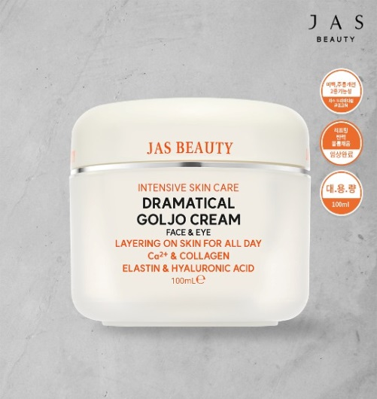 | JAS DRAMATICAL GOLJO CREAM | 100ml | Improve skin elasticity, improve wrinkles | US$6.00 | 55000 (US$55) | 22,989 | 2027-08-26 | 5,000ea / 6weeks
13 | JAS | 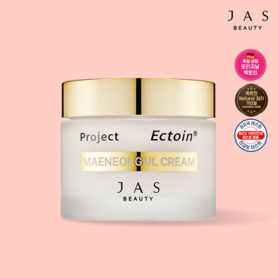 | JAS Ectoin Maeneolgul Cream | 55ml | Whitening, wrinkle improvement, UV protection, Tone up | US$7.00 | 32200 (US$32) | 8,924 | 2027-02-25 | 10,000ea / 8weeks
14 | JAS | 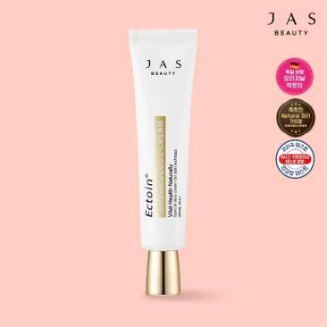 | JAS Ectoin Maeneolgul Cream | 30ml | Whitening, wrinkle improvement, UV protection, Tone up | US$4.10 | 18500 (US$18) | 9,856 | 2027-09-02 | 10,000ea / 6weeks
15 | ARTDELI | 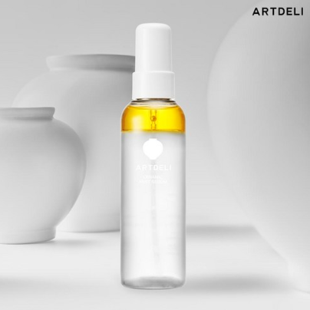 | ARTDELI CERAMIC MIST SERUM | 100ml | Whitening and wrinkle improvement | US$4.10 | 32000 (US$32) | 13,651 | 2027-02-22 | 5,000ea / 6weeks
16 | DERMACLASSEN | 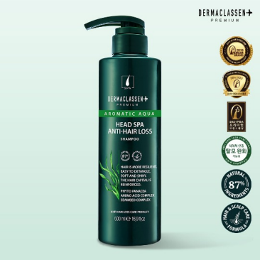 | DERMACLASSEN HEAD SPA ANTI-HAIR LOSS SHAMPOO | 500ml | Soothing, nourishing, moisturizing, and elasticity of the scalp alleviating hair loss | US$4.50 | 13000 (US$13) | 4,510 | 2027-01-18 | 10,000ea / 6weeks
17 | DERMACLASSEN | 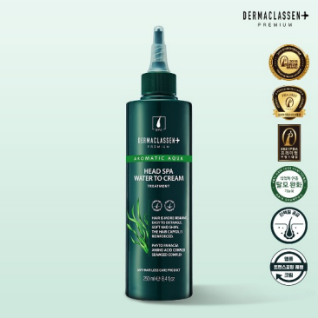 | DERMACLASSEN HEAD SPA WATER TO CREAM TREATMENT | 250ml | Hair Protein Care damaged hair care Hair Moisture Care nourishing the scalp alleviating hair loss | US$4.10 | 12000 (US$12) | 3,560 | 2027-01-18 | 10,000ea / 6weeks
18 | DERMACLASSEN | 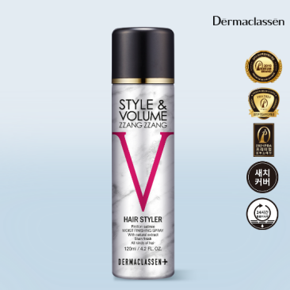 | DERMACLASSEN STYLE&VOLUME ZZANG ZZANG | 120ml | Helps improve hair volume Helps maintain hair volume Scalp, skin stability test completed Waterproof Spray type | US$4.80 | 13900 (US$13) | 8,120 | 2026-05-07 | 10,000ea / 8weeks
19 | DERMACLASSEN |  | DERMACLASSEN STYLE&VOLUME ZZANG ZZANG | 120ml | Helps improve hair volume Helps maintain hair volume Scalp, skin stability test completed Waterproof Spray type | US$4.80 | 13900 (US$13) | 2,272 | 2026-01-21 | 10,000ea / 8weeks
 |  |  |  |  |  |  |  | 188,960

